EP6 Fan Motor Assy & Bal 90 (2
FORM:-First Piece Inspection & Last Piece Inspection
CELL :- EP6 Fan Motor Assy & Balancing |  |  |  |  | Visual Inspection | Model
 |  |  |  |  |  | Date
Sr. No. | Characteristics |  | Specification | Critical Parameters |  | Condition
 |  |  |  |  |  | Measurement Method | Shift:- | Shift:- | Shift:- | Shift:-
1 | NO. of Motor (All model) |  | 1 no's as per model | ---- |  | Visual
2 | No. of Fan Assly (All model) |  | 1 no's as per model
3 | No. of Nut (All model) |  | 1 no's as per model
4 | Nut torque Applied for fan motor Assly |  | 4 to 5Nm |  |  | Electric torque gun
5 | Balancing program Number & Name |  |  | ---- |  | Mention Programme number & Name
6 | Use of wrong balancing weight |  | No use of re-used balancing clip
7 | Balancing Weight |  | Use only 280 mg for balancing
8 | Balancing Weight |  | Ensure Balancing Weight Shall Not be in loose condition |  |  | Visual & Marking
9 | RPM | S101 GSL / DSL , S110 EV / U301/U302 | (2025 To 2475) RPM | ---- | 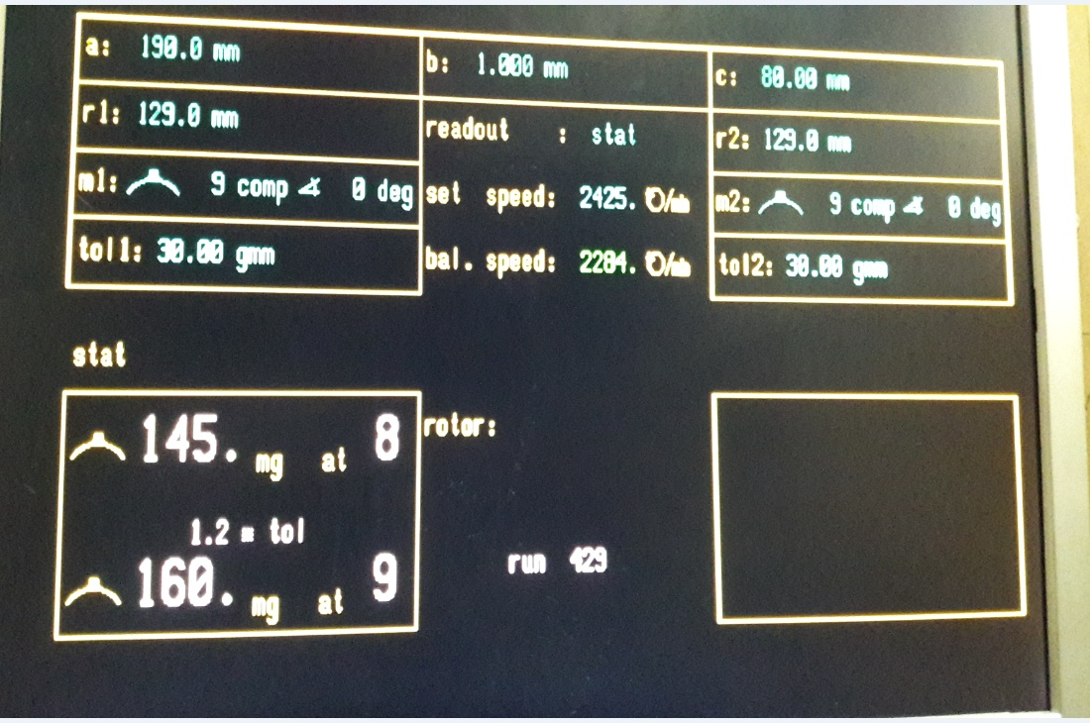 | Visual
10 |  | U350/U352/W153 | (2150 To 2350) RPM
11 |  | MG FMS | (2500 To 2900) RPM
12 |  | Punto | (2400 To 2600) RPM
13 |  | Q501 BS4 & BS6 AT/MT | (2050 To 2250) RPM
14 |  | S201 GSL/DSL | (1890 To 2310) RPM
15 |  | TATA ALTROZ | (2375 TO 2625)RPM
16 | Max unbalanced weight | S101 GSL/DSL | 30gmm (232 mg) Max |  | 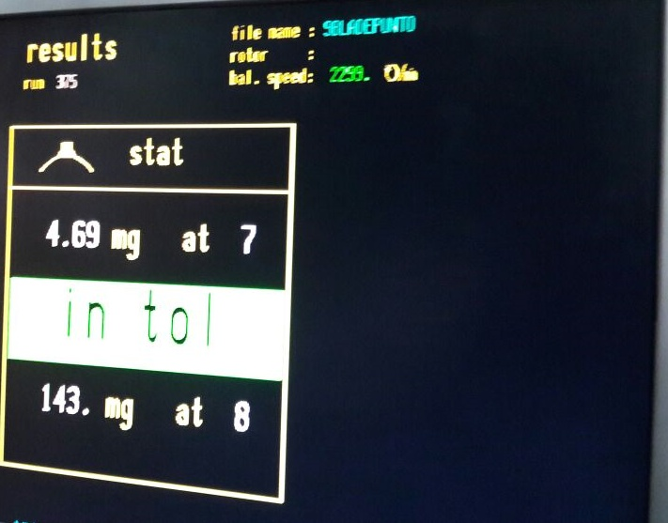
17 |  | U301/U302/U350/U352/ S201GSL/DSL/ Q501 BS4 & BS6 AT/MT, S110 EV , MG FMS/W153. | 30gmm (194 mg) Max
 |  | ALTROZ | ≤30 gmm (194 mg) Controlled 25 gmm
18 |  | Punto | 30 gmm(Max)
A) Condition for First Piece Inspection :- 1] At Start of shift 2] End of shift or Model 3] Model &/or Set up change 4] Pokayoke Failure, corrected & production resumed 5] If poka yoke bypassed and production continued as per alternate poka yoke bypass document 6] More than 4 hour Planned shut down 7) During Abnormal Situations (7a-Emergency Alarm / 7b-Power Failure / 7c-Machine or Tool Breakdown - more than 45 mins / 7d-Inspection Guage or Instrument breakdown or fallen down) B) Reactivity Rule :- If any NC is found inform to CC/ Shift Incharge , Initiate actions for correction & After closure of NC treat the shift as a fresh shift , Start checking from the begining of the check points in the next column. C) Guidline for supervisor approvals: Superviser need to do tick mark( √) after verification heighligted ponts. |  |  |  | Final Status
 |  |  |  | Checked By OE
 |  |  |  | Approved By CC

 |  |  |  | Time
Created By: |  | Yogesh Choudhary |  |  |  |  | Format /Rev No. |  | EP/F/ASSLY/FPA03-16
Approved By: |  | Samir Deshmukh |  |  |  |  | Date |  | 2022-05-05
FORM:-First Piece Inspection & Last Piece Inspection
CELL :- EP6 Fan Motor Assy & Balancing |  |  |  |  | Visual Inspection | Model
 |  |  |  |  |  | Date
Sr. No. | Characteristics |  | Specification | Critical Parameters |  | Condition
 |  |  |  |  |  | Measurement Method | Shift:- | Shift:- | Shift:- | Shift:-
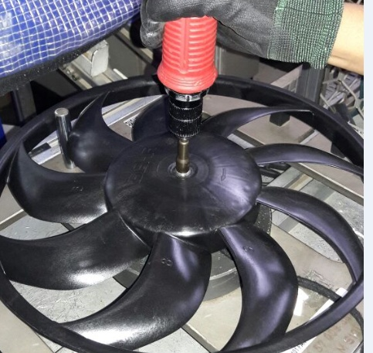
1 | NO. of Motor (All model) |  | 1 no's as per model | ---- |  | Visual
2 | No. of Fan Assly (All model) |  | 1 no's as per model
3 | No. of Nut (All model) |  | 1 no's as per model
4 | Nut torque Applied for fan motor Assly |  | 4 to 5Nm |  |  | Electric torque gun
5 | Balancing program Number & Name |  |  | ---- |  | Mention Programme number & Name
6 | Use of wrong balancing weight |  | No use of re-used balancing clip
7 | Balancing Weight |  | Use only 280 mg for balancing
8 | Balancing Weight |  | Ensure Balancing Weight Shall Not be in loose condition |  |  | Visual & Marking
9 |  | W153 | (2150 To 2350) RPM
10 |  | S201 GSL/DSL | (1890 To 2310) RPM
11 |  | TATA ALTROZ | (2375 TO 2625)RPM
12 |  | S201 GSL/DSL W153 | 30gmm (194 mg) Max
13 |  | ALTROZ | ≤30 gmm (194 mg) Controlled 25 gmm
A) Condition for First Piece Inspection :- 1] At Start of shift 2] End of shift or Model 3] Model &/or Set up change 4] Pokayoke Failure, corrected & production resumed 5] If poka yoke bypassed and production continued as per alternate poka yoke bypass document 6] More than 4 hour Planned shut down 7) During Abnormal Situations (7a-Emergency Alarm / 7b-Power Failure / 7c-Machine or Tool Breakdown - more than 45 mins / 7d-Inspection Guage or Instrument breakdown or fallen down) B) Reactivity Rule :- If any NC is found inform to CC/ Shift Incharge , Initiate actions for correction & After closure of NC treat the shift as a fresh shift , Start checking from the begining of the check points in the next column. C) Guidline for supervisor approvals: Superviser need to do tick mark( √) after verification heighligted ponts. |  |  |  | Final Status
 |  |  |  | Checked By OE
 |  |  |  | Approved By CC
 |  |  |  | Time
Created By: |  | Yogesh Choudhary |  |  |  |  | Format /Rev No. |  | EP/F/ASSLY/FPA03-16
Approved By: |  | Samir Deshmukh |  |  |  |  | Date |  | 2022-05-05

